Index
 | 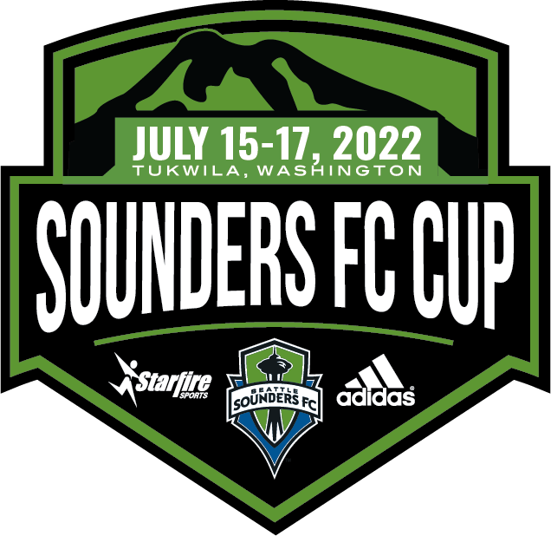

TOURNAMENT SCHEDULE INDEX

GIRLS

Girls 2014 (U9)

Girls 2013 (U10)

Girls 2012 (U11) Rave Green

Girls 2012 (U11) Sounder Blue

Girls 2011 (U12)

Girls 2010 (U13)

Girls 2009 (U14) Rave Green / Sounder Blue

Girls 2009 (U14) Cascade Shale

Girls 2008 (U15) Rave Green

Girls 2008 (U15) Sounder Blue

Girls 2007 (U16)

Girls 2006 (U17) - *NEW* Schedule

Girls 2005/2004 (U18/U19) Rave Green

Girls 2005/2004 (U18/U19) Sounder Blue

BOYS

Boys 2014 (U9) Rave Green

Boys 2014 (U9) Cascade Shale

Boys 2013 (U10) Rave Green / Sounder Blue

Boys 2013 (U10) Cascade Shale

Boys 2012 (U11) Rave Green

Boys 2012 (U11) Sounder Blue

Boys 2012 (U11) Cascade Shale

Boys 2011 (U12) Rave Green

Boys 2011 (U12) Cascade Shale

Boys 2010 (U13) Sounder Blue

Boys 2010 (U13) Cascade Shale

Boys 2009 (U14) Rave Green

Boys 2009 (U14) Cascade Shale

Boys 2008 (U15) Rave Green

Boys 2008 (U15) Cascade Shale

Boys 2007 (U16) Rave Green

Boys 2007 (U16) Sounder Blue

Boys 2006 (U17)

Boys 2005/2004 (U18/U19)

